Data CBS
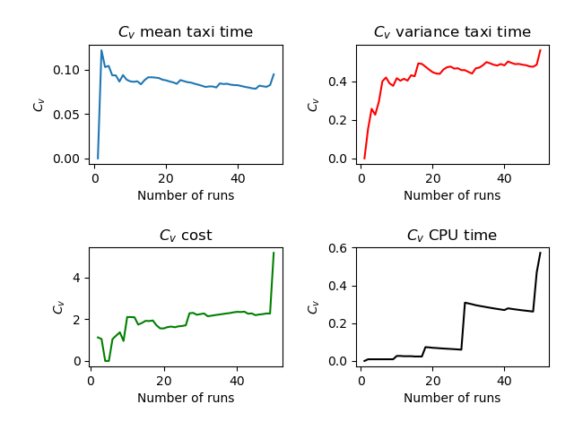
Run | Number of Aircraft | Maximum Spawn Time | Mean Taxitime | Variance Taxitime | Variance Cost | CPU Time
1 | 6 | 5 | 7.833 | 4.472 | 0 | 3.626
2 | 6 | 5 | 10 | 6.083 | 0.056 | 3.578
3 | 6 | 5 | 9.583 | 3.201 | 0.035 | 3.539
4 | 6 | 5 | 10.417 | 4.368 | 0.035 | 3.541
5 | 6 | 5 | 9.333 | 2.556 | 0 | 3.525
6 | 6 | 5 | 10.5 | 1.5 | 0.056 | 3.544
7 | 6 | 5 | 9.667 | 2.222 | 0 | 3.551
8 | 6 | 5 | 8.333 | 3.889 | 0 | 3.489
9 | 6 | 5 | 9.75 | 5.229 | 0.118 | 3.554
10 | 6 | 5 | 10.25 | 7.229 | 0.785 | 3.846
11 | 6 | 5 | 8.833 | 3.556 | 0.056 | 3.502
12 | 6 | 5 | 10.5 | 2.5 | 0.056 | 3.504
13 | 6 | 5 | 9.75 | 3.312 | 0.535 | 3.583
14 | 6 | 5 | 8.333 | 7.556 | 0 | 3.483
15 | 6 | 5 | 8.333 | 3.222 | 0 | 3.507
16 | 6 | 5 | 10.417 | 0.451 | 0.062 | 3.515
17 | 6 | 5 | 8.75 | 2.812 | 0.035 | 3.515
18 | 6 | 5 | 10.333 | 3.806 | 0.472 | 4.652
19 | 6 | 5 | 9.167 | 4.472 | 0.556 | 3.501
20 | 6 | 5 | 8.833 | 5.056 | 0.056 | 3.571
21 | 6 | 5 | 9 | 3.333 | 0 | 3.5
22 | 6 | 5 | 8.917 | 2.868 | 0.035 | 3.563
23 | 6 | 5 | 9.833 | 1.389 | 0.139 | 3.625
24 | 6 | 5 | 8 | 7.333 | 0 | 3.512
25 | 6 | 5 | 9.917 | 2.368 | 0.035 | 3.533
26 | 6 | 5 | 9.917 | 4.201 | 0.035 | 3.513
27 | 6 | 5 | 10.167 | 2.472 | 2.333 | 3.569
28 | 6 | 5 | 9.167 | 4.222 | 0.056 | 3.54
29 | 6 | 5 | 9.917 | 2.701 | 2.535 | 9.92
30 | 6 | 5 | 9.167 | 4.389 | 0.056 | 3.517
31 | 6 | 5 | 9.5 | 4.167 | 0.056 | 3.599
32 | 6 | 5 | 10.417 | 8.535 | 0.701 | 4.34
33 | 6 | 5 | 8.75 | 7.312 | 0.035 | 3.502
34 | 6 | 5 | 9.75 | 1.646 | 0.035 | 3.521
35 | 6 | 5 | 11.25 | 1.229 | 0.062 | 3.539
36 | 6 | 5 | 10.083 | 3.701 | 0.035 | 3.546
37 | 6 | 5 | 8.667 | 5.472 | 0.056 | 3.565
38 | 6 | 5 | 9.417 | 3.368 | 0.035 | 3.531
39 | 6 | 5 | 10.167 | 1.806 | 0 | 3.527
40 | 6 | 5 | 8.833 | 4.222 | 0.056 | 3.531
41 | 6 | 5 | 9.333 | 8.972 | 0.139 | 6.063
42 | 6 | 5 | 9.583 | 4.618 | 0.062 | 3.59
43 | 6 | 5 | 9.167 | 5.806 | 0.556 | 3.563
44 | 6 | 5 | 9.417 | 7.451 | 0.062 | 3.526
45 | 6 | 5 | 9 | 3.667 | 0.556 | 3.519
46 | 6 | 5 | 7.833 | 6.806 | 0 | 3.474
47 | 6 | 5 | 9.25 | 5.646 | 0.035 | 3.493
48 | 6 | 5 | 9 | 7 | 0 | 3.551
49 | 6 | 5 | 10.917 | 1.201 | 0.035 | 3.499
50 | 6 | 5 | 10.25 | 2.146 | 0.146 | 3.574
 | 6 | 5 | 9.47002 | 4.15078 | 0.21598 | 3.75942

